Reagent Consumption
...
 | Reagent Additional (kg)
Sandios (kg) | 750
Lime (kg) | 1500
Carbon (kg) | 2000
Floculant (kg) | 50
NaOH (kg) | 0
Hcl (jerigen) | 0
...
 |  | Lime (kg) | Carbon (kg) | Floculant (kg) | NaOH (kg) | Hcl (jerigen)
 |  | 1500 | 2000 | 50 | 0 | 0
 |  |  |  |  |  |  | 25.862068966
...
 |  | 2.53 | 3.38 | 0.08 | 0.00 | 0.00
...
 |  | Lime (kg/t) | Carbon (kg/t) | Floculant (kg/t) | NaOH (kg/t) | HCL (L/t)
...
Gold Rom
0 | 0
0 | 0
0 | 0
0 | 0
0 | 0
0 | 0
0 | 0
0 | 0
0 | 0
0 | 0
 | Reagent Consumption
Sandios (kg/t) | 1.27
Lime (kg/t) | 2.53
Carbon (kg/t) | 3.38
Floculant (kg/t) | 0.08
NaOH (kg/t) | 0.00
HCL (L/t) | 0.00
0 | 0
0 | 0
0 | 0
0 | 0
0 | 0
0 | 0
0 | 0
0 | 0
0 | 0
0 | 0
0 | 0
0 | 0
0 | 0
0 | 0
0 | 0
0 | 0
0 | 0
0 | 0
0 | 0
0 | 0
0 | 0

Rom File Inventory
...
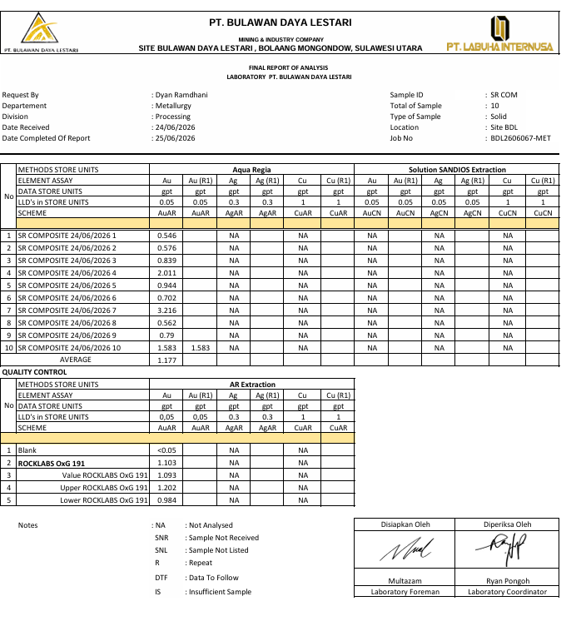
...
 | 1 | 0.047
0.047 | 11 | 0.242
4.383 | 12 | 0.252
8% | 13 | 0.253
0.237 | 14 | 0.304
 | 15 | 0.308
 | 16 | 0.31
 | 17 | 0.318
 | 18 | 0.323
 | 19 | 0.326
 | 20 | 0.336
Au distribution on crushing Process
 | Au distribution ppm | Cut Off Grade Processing
1 | 0.546 | 0.81
2 | 0.576 | 0.81
3 | 0.839 | 0.81
4 | 2.011 | 0.81
5 | 0.944 | 0.81
6 | 0.702 | 0.81
7 | 3.216 | 0.81
8 | 0.562 | 0.81
9 | 0.79 | 0.81
10 | 1.583 | 0.81
11 | 1.963 | 0.81
12 | 0.735 | 0.81
13 | 0.348 | 0.81
14 | 1.293 | 0.81
15 | 0.43 | 0.81
16 | 0.558 | 0.81
17 | 0.604 | 0.81
18 | 4.383 | 0.81
19 | 3.233 | 0.81
20 | 1.635 | 0.81
21 | 1.239 | 0.81
22 | 0.847 | 0.81
23 | 2.72 | 0.81
24 | 0.576 | 0.81
25 | 0.663 | 0.81
26 | 1.822 | 0.81
27 | 0.797 | 0.81
28 | 1.392 | 0.81
29 | 0.707 | 0.81
30 | 1.552 | 0.81
31 | 0.765 | 0.81
32 | 1.235 | 0.81
33 | 1.035 | 0.81
34 | 0.526 | 0.81
35 | 0.816 | 0.81
36 | 0.344 | 0.81
37 | 0.304 | 0.81
38 | 0.744 | 0.81
39 | 0.563 | 0.81
40 | 0.438 | 0.81
41 | 0.458 | 0.81
42 | 0.558 | 0.81
43 | 0.501 | 0.81
44 | 1.25 | 0.81
45 | 0.351 | 0.81
46 | 2.028 | 0.81
47 | 1.838 | 0.81
48 | 1.322 | 0.81
49 | 0.651 | 0.81
50 | 0.506 | 0.81
...
 | 21 | 0.337
 | 22 | 0.34
 | 23 | 0.344
 | 24 | 0.348
 | 25 | 0.351
 | 26 | 0.351
 | 27 | 0.351
 | 28 | 0.354
 | 29 | 0.357
 | 30 | 0.358
 | 31 | 0.388
 | 32 | 0.388
 | 33 | 0.407
 | 34 | 0.42
 | 35 | 0.422
 | 36 | 0.43
 | 37 | 0.438
 | 38 | 0.454
 | 39 | 0.455 | Untuk Grafik Line
 | 40 | 0.458
 | 41 | 0.488 | 1 | 0.81 | 1 | 1.6
 | 42 | 0.489 | 2 | 0.81 | 2 | 1.6
 | 43 | 0.501 | 3 | 0.81 | 3 | 1.6
 | 44 | 0.502 | 4 | 0.81 | 4 | 1.6
 | 45 | 0.506 | 5 | 0.81 | 5 | 1.6
 | 46 | 0.526 | 6 | 0.81 | 6 | 1.6
 |  |  |  |  | 7 | 1.6
 |  |  |  |  | 8 | 1.6
 |  |  |  |  | 9 | 1.6
 |  |  |  |  | 10 | 1.6
 |  |  |  |  | 11 | 1.6
 |  |  |  |  | 12 | 1.6
 |  |  |  |  | 13 | 1.6
...

Au Cal Leaching Tank
...
Batch Process | Running Hours | Tank CIP | Date start | Time Start | Date Finish | Time Finish | Volume Slurry (m3) | %solid | Solid (Ton) | Solid (Ton) | Sg Slurry
 | milling process |  |  |  |  |  |  |  |  | pengurangan oleh batch sebelum
Average | #DIV/0! |  |  |  |  |  |  |  | 296
Total | 0 |  |  |  |  |  |  |  | 592
...
Tonage Production/Batch Process Milling and Leaching
 | Tonage/Batch | Cumulative Tonage
1 | 292 | 292
2 | 300 | 592
3
4
5
6
...
Batch Process | Running Hours | Tank CIP | Date start | Time Start | Date Finish | Time Finish | Volume Slurry (m3) | %solid | Solid (Ton) | Solid (Ton) | Sg Slurry
 | milling process |  |  |  |  |  |  |  |  | pengurangan oleh batch sebelum
 |  |  |  |  |  |  | Running Hour | Downtime Hour | Tph Production |  | Tpd Production
 |  |  |  |  |  |  | 0 | 42 | #DIV/0! |  | #DIV/0!
 |  |  |  |  |  |  | 0
...
Batch Process | Running Hours | Tank CIP | Date start | Time Start | Date Finish | Time Finish | Volume Slurry (m3) | %solid | Solid (Ton) | Solid (Ton) | Sg Slurry
 | milling process |  |  |  |  |  |  |  |  | pengurangan oleh batch sebelum
 |  |  |  |  |  |  | Running Hour | 0
 |  |  |  |  |  |  | Downtime Hour | 42
 |  |  |  |  |  |  | Total Hour Process | 42
 |  |  |  |  |  |  | %Avabiality | 0%
 |  |  |  |  |  |  | Tph | #DIV/0!
 |  |  |  |  |  |  | Tpd | #DIV/0!
 |  |  |  |  |  |  | Daily Time Production (Day) | 2
 |  |  |  |  |  |  | %Losetime Production | 100%

 |  |  |  |  |  |  | Batch Process | No Tank | Material Solid (Ton) | Assay Lab Result Fresh Ore
...

LT Ball Mill
...
2 | LF Ball Mill DS 3 | 2026-09-03 | 0.722 | 0.85 | 8.46 | 21 | 2 | LF Ball Mill DS 3 | 2026-09-02
 |  |  |  |  |  |  |  | LF Ball Mill NS 1
 |  |  |  |  |  |  |  | LF Ball Mill NS 2
 |  |  |  |  |  |  |  | LF Ball Mill NS 3

1 | 1.023 | 0.8
2 | 0.949 | 0.8
3 | 0.929 | 0.8
4 | 0.641 | 0.8
5 | 0.637 | 0.8
6 | 0.549 | 0.8
7 | 0.646 | 0.8
8 | 0.645 | 0.8
9 | 0.65 | 0.8
10 | 0.641 | 0.8
11 | 0.637 | 0.8
12 | 0.549 | 0.8
13 | 0.66 | 0.8
14 | 0.824 | 0.8
15 | 0.75 | 0.8
16 | 1.021 | 0.8
17 | 1.016 | 0.8
18 | 1.033 | 0.8
19 | 0.668 | 0.8
 |  |  |  |  |  |  |  |  |  | 1
 |  |  |  |  |  |  |  |  |  | 2
 |  |  |  |  |  |  |  |  |  | 3
 |  |  |  |  |  |  |  |  |  | 4
 |  |  |  |  |  |  |  |  |  | 5
 |  |  |  |  |  |  |  |  |  | 6
 |  |  |  |  |  |  |  |  |  | 7
 |  |  |  |  |  |  |  |  |  | 8
 |  |  |  |  |  |  |  |  |  | 9
 |  |  |  |  |  |  |  |  |  | 10
 |  |  |  |  |  |  |  |  |  | 11
 |  |  |  |  |  |  |  |  |  | 12
 |  |  |  |  |  |  |  |  |  | 13
 |  |  |  |  |  |  |  |  |  | 14
 |  |  |  |  |  |  |  |  |  | 15
 |  |  |  |  |  |  |  |  |  | 16
 |  |  |  |  |  |  |  |  |  | 17
 |  |  |  |  |  |  |  |  |  | 18
 |  |  |  |  |  |  |  |  |  | 19

Crushing Down Time Hours
...
Date | Total Down Time (Mins) | Running Time (Hours) | Availability (%) | Down Time (Hours)

Running Hours Vs Down Time Hours
2026-08-18 | 1318 | 2 | 17% | 10
2026-08-19 | 778 | 11 | 92% | 1
2026-08-20 | 778 | 11 | 92% | 1 | Running Hours Vs Down Time Hours
2026-08-21 | 874 | 9 | 79% | 3 | Total Running Hour | 66
2026-08-22 | 899 | 9 | 75% | 3 | Total Down Time Hours | 66
2026-08-23 | 1438 | 0 | 0% | 12 | Crushing Availability, % | 61%
2026-08-24 | 839 | 10 | 83% | 2 | Crushing %Loss Time | 0%
2026-08-25 | 1438 | 0 | 0% | 12
2026-08-26 | 1438 | 0 | 0% | 12
2026-08-27 | 1124 | 5 | 44% | 7
2026-08-28 | 959 | 8 | 67% | 4
2026-08-29 | 839 | 10 | 83% | 2
2026-08-30 | 1318 | 2 | 17% | 10
2026-08-31 | 0 |  | 0%
2026-09-01 | 0 |  | 0%
2026-09-02 | 0 |  | 0%
2026-09-03 | 0 |  | 0%
2026-09-04 | 0 |  | 0%
2026-09-05 | 0 |  | 0%
2026-09-06 | 0 |  | 0%
2026-09-07 | 0 |  | 0%
2026-09-08 | 0 |  | 0%
2026-09-09 | 0 |  | 0%
2026-09-10 | 0 |  | 0%
2026-09-11
2026-09-12
2026-09-13
2026-09-14 | 0 |  | 0%
2026-09-15
2026-09-16
...

